Calibration Curves
Calibration Curves in Calibration Units
 |  |  |  |  | Cor. Coef:
 | Ca 317.933 |  | Equ: Linear Calculated Intercept |  | 0.999672
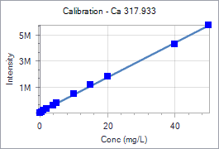
 | Sample Id | Corrected Intensity | Entered Conc. | Calculated Cal Unit Conc. | % Residual Error
 | Calib Blank 1 | 0.0 | 0.000 | -0.453 | N/A
 | Calib Std 1 | 78809.1 | 0.500 | 0.139 | -72.25
 | Calib Std 2 | 171715.5 | 1.000 | 0.836 | -16.38
 | Calib Std 3 | 305687.2 | 2.000 | 1.842 | -7.90
 | Calib Std 4 | 599336.6 | 4.000 | 4.046 | 1.16
 | Calib Std 5 | 750783.4 | 5.000 | 5.183 | 3.67
 | Calib Std 6 | 1452795.4 | 10.000 | 10.454 | 4.54
 | Calib Std 7 | 2131671.9 | 15.000 | 15.550 | 3.67
 | Calib Std 8 | 2797077.0 | 20.000 | 20.545 | 2.73
 | Calib Std 9 | 5281775.8 | 40.000 | 39.199 | -2.00
 | Calib Std 10 | 6741633.3 | 50.000 | 50.158 | 0.32

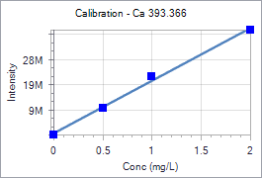
 |  |  |  |  | Cor. Coef:
 | Ca 393.366 |  | Equ: Linear Calculated Intercept |  | 0.997742
 | Sample Id | Corrected Intensity | Entered Conc. | Calculated Cal Unit Conc. | % Residual Error
 | Calib Blank 1 | 0.0 | 0.000 | -0.028 | N/A
 | Calib Std 1 | 10645456.0 | 0.500 | 0.481 | -3.85
 | Calib Std 2 | 23290289.9 | 1.000 | 1.085 | 8.55
 | Calib Std 3 | 41621923.1 | 2.000 | 1.962 | -1.90

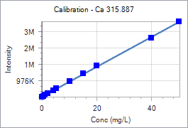
 |  |  |  |  | Cor. Coef:
 | Ca 315.887 |  | Equ: Linear Calculated Intercept |  | 0.999714
 | Sample Id | Corrected Intensity | Entered Conc. | Calculated Cal Unit Conc. | % Residual Error
 | Calib Blank 1 | 0.0 | 0.000 | -0.353 | N/A
 | Calib Std 1 | 51958.3 | 0.500 | 0.221 | -55.81
 | Calib Std 2 | 113349.2 | 1.000 | 0.899 | -10.08
 | Calib Std 3 | 201871.5 | 2.000 | 1.877 | -6.14
 | Calib Std 4 | 396897.9 | 4.000 | 4.032 | 0.80
 | Calib Std 5 | 497971.0 | 5.000 | 5.148 | 2.97
 | Calib Std 6 | 967294.1 | 10.000 | 10.333 | 3.33
 | Calib Std 7 | 1429666.5 | 15.000 | 15.442 | 2.94
 | Calib Std 8 | 1885072.8 | 20.000 | 20.473 | 2.36
 | Calib Std 9 | 3572647.4 | 40.000 | 39.117 | -2.21
 | Calib Std 10 | 4585822.4 | 50.000 | 50.310 | 0.62

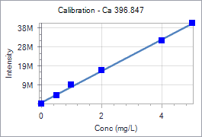
 |  |  |  |  | Cor. Coef:
 | Ca 396.847 |  | Equ: Linear Calculated Intercept |  | 0.999282
 | Sample Id | Corrected Intensity | Entered Conc. | Calculated Cal Unit Conc. | % Residual Error
 | Calib Blank 1 | 0.0 | 0.000 | -0.072 | N/A
 | Calib Std 1 | 4464053.3 | 0.500 | 0.463 | -7.41
 | Calib Std 2 | 9923973.4 | 1.000 | 1.117 | 11.72
 | Calib Std 3 | 17668931.0 | 2.000 | 2.045 | 2.27
 | Calib Std 4 | 33329330.8 | 4.000 | 3.922 | -1.95
 | Calib Std 5 | 42531169.9 | 5.000 | 5.025 | 0.49

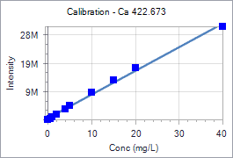
 |  |  |  |  | Cor. Coef:
 | Ca 422.673 |  | Equ: Linear Calculated Intercept |  | 0.997512
 | Sample Id | Corrected Intensity | Entered Conc. | Calculated Cal Unit Conc. | % Residual Error
 | Calib Blank 1 | 0.0 | 0.000 | -0.688 | N/A
 | Calib Std 1 | 460706.8 | 0.500 | -0.137 | -127.40
 | Calib Std 2 | 1037305.5 | 1.000 | 0.553 | -44.71
 | Calib Std 3 | 1904794.1 | 2.000 | 1.591 | -20.47
 | Calib Std 4 | 3820723.7 | 4.000 | 3.883 | -2.93
 | Calib Std 5 | 4937768.0 | 5.000 | 5.219 | 4.39
 | Calib Std 6 | 9611439.1 | 10.000 | 10.811 | 8.11
 | Calib Std 7 | 14122841.4 | 15.000 | 16.208 | 8.05
 | Calib Std 8 | 18449930.9 | 20.000 | 21.385 | 6.92
 | Calib Std 9 | 32902635.9 | 40.000 | 38.676 | -3.31

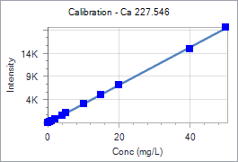
 |  |  |  |  | Cor. Coef:
 | Ca 227.546 |  | Equ: Linear Calculated Intercept |  | 0.999821
 | Sample Id | Corrected Intensity | Entered Conc. | Calculated Cal Unit Conc. | % Residual Error
 | Calib Blank 1 | 0.0 | 0.000 | 0.066 | N/A
 | Calib Std 1 | 137.7 | 0.500 | 0.405 | -19.08
 | Calib Std 2 | 385.0 | 1.000 | 1.013 | 1.32
 | Calib Std 3 | 791.2 | 2.000 | 2.013 | 0.63
 | Calib Std 4 | 1600.8 | 4.000 | 4.005 | 0.12
 | Calib Std 5 | 2042.3 | 5.000 | 5.091 | 1.83
 | Calib Std 6 | 4062.2 | 10.000 | 10.062 | 0.62
 | Calib Std 7 | 6077.0 | 15.000 | 15.020 | 0.13
 | Calib Std 8 | 8110.5 | 20.000 | 20.024 | 0.12
 | Calib Std 9 | 15902.7 | 40.000 | 39.199 | -2.00
 | Calib Std 10 | 20537.6 | 50.000 | 50.604 | 1.21

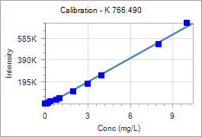
 |  |  |  |  | Cor. Coef:
 | K 766.490 |  | Equ: Linear Calculated Intercept |  | 0.997586
 | Sample Id | Corrected Intensity | Entered Conc. | Calculated Cal Unit Conc. | % Residual Error
 | Calib Blank 1 | 0.0 | 0.000 | 0.230 | N/A
 | Calib Std 1 | 3283.9 | 0.100 | 0.275 | 175.42
 | Calib Std 2 | 8499.2 | 0.200 | 0.348 | 73.84
 | Calib Std 3 | 19081.4 | 0.400 | 0.494 | 23.57
 | Calib Std 4 | 37854.3 | 0.800 | 0.754 | -5.71
 | Calib Std 5 | 51556.9 | 1.000 | 0.944 | -5.58
 | Calib Std 6 | 111736.8 | 2.000 | 1.778 | -11.10
 | Calib Std 7 | 177973.7 | 3.000 | 2.696 | -10.15
 | Calib Std 8 | 260374.0 | 4.000 | 3.837 | -4.07
 | Calib Std 9 | 539886.8 | 8.000 | 7.709 | -3.63
 | Calib Std 10 | 736552.7 | 10.000 | 10.434 | 4.34

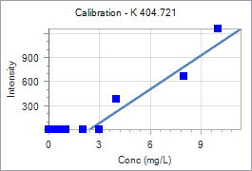
 |  |  |  |  | Cor. Coef:
 | K 404.721 |  | Equ: Linear Calculated Intercept |  | 0.886196
 | Sample Id | Corrected Intensity | Entered Conc. | Calculated Cal Unit Conc. | % Residual Error
 | Calib Blank 1 | 0.0 | 0.000 | 2.411 | N/A
 | Calib Std 1 | -28.1 | 0.100 | 2.211 | 2110.95
 | Calib Std 2 | -521.9 | 0.200 | -1.301 | -750.25
 | Calib Std 3 | 1.5 | 0.400 | 2.422 | 505.39
 | Calib Std 4 | -457.3 | 0.800 | -0.841 | -205.14
 | Calib Std 5 | -401.0 | 1.000 | -0.441 | -144.06
 | Calib Std 6 | -295.0 | 2.000 | 0.313 | -84.34
 | Calib Std 7 | -182.4 | 3.000 | 1.113 | -62.88
 | Calib Std 8 | 382.8 | 4.000 | 5.133 | 28.31
 | Calib Std 9 | 663.9 | 8.000 | 7.131 | -10.86
 | Calib Std 10 | 1257.0 | 10.000 | 11.349 | 13.49

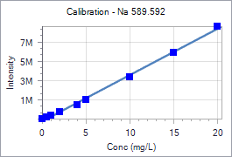
 |  |  |  |  | Cor. Coef:
 | Na 589.592 |  | Equ: Linear Calculated Intercept |  | 0.998756
 | Sample Id | Corrected Intensity | Entered Conc. | Calculated Cal Unit Conc. | % Residual Error
 | Calib Blank 1 | 0.0 | 0.000 | 0.478 | N/A
 | Calib Std 1 | 142972.8 | 0.500 | 0.776 | 55.19
 | Calib Std 2 | 322356.2 | 1.000 | 1.150 | 14.96
 | Calib Std 3 | 684825.1 | 2.000 | 1.905 | -4.77
 | Calib Std 4 | 1492718.9 | 4.000 | 3.587 | -10.32
 | Calib Std 5 | 2023871.4 | 5.000 | 4.694 | -6.13
 | Calib Std 6 | 4367327.7 | 10.000 | 9.575 | -4.25
 | Calib Std 7 | 6913699.9 | 15.000 | 14.878 | -0.81
 | Calib Std 8 | 9592900.1 | 20.000 | 20.458 | 2.29

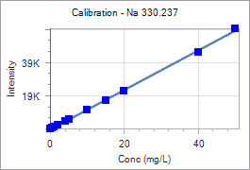
 |  |  |  |  | Cor. Coef:
 | Na 330.237 |  | Equ: Linear Calculated Intercept |  | 0.999524
 | Sample Id | Corrected Intensity | Entered Conc. | Calculated Cal Unit Conc. | % Residual Error
 | Calib Blank 1 | 0.0 | 0.000 | 0.332 | N/A
 | Calib Std 1 | 505.6 | 0.500 | 0.757 | 51.48
 | Calib Std 2 | 1047.6 | 1.000 | 1.213 | 21.32
 | Calib Std 3 | 2103.0 | 2.000 | 2.101 | 5.05
 | Calib Std 4 | 4274.0 | 4.000 | 3.927 | -1.83
 | Calib Std 5 | 5623.6 | 5.000 | 5.062 | 1.24
 | Calib Std 6 | 11313.1 | 10.000 | 9.848 | -1.52
 | Calib Std 7 | 16861.5 | 15.000 | 14.514 | -3.24
 | Calib Std 8 | 22933.1 | 20.000 | 19.621 | -1.89
 | Calib Std 9 | 46016.0 | 40.000 | 39.037 | -2.41
 | Calib Std 10 | 60343.0 | 50.000 | 51.087 | 2.17

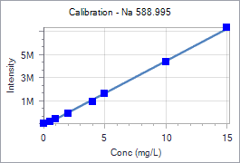
 |  |  |  |  | Cor. Coef:
 | Na 588.995 |  | Equ: Linear Calculated Intercept |  | 0.999251
 | Sample Id | Corrected Intensity | Entered Conc. | Calculated Cal Unit Conc. | % Residual Error
 | Calib Blank 1 | 0.0 | 0.000 | 0.300 | N/A
 | Calib Std 1 | 185359.1 | 0.500 | 0.630 | 26.04
 | Calib Std 2 | 414357.3 | 1.000 | 1.039 | 3.87
 | Calib Std 3 | 882503.6 | 2.000 | 1.874 | -6.31
 | Calib Std 4 | 1890399.3 | 4.000 | 3.672 | -8.21
 | Calib Std 5 | 2565365.8 | 5.000 | 4.876 | -2.48
 | Calib Std 6 | 5389808.1 | 10.000 | 9.914 | -0.86
 | Calib Std 7 | 8350768.2 | 15.000 | 15.196 | 1.31

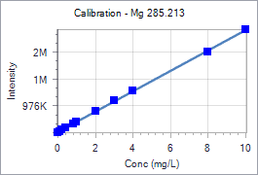
 |  |  |  |  | Cor. Coef:
 | Mg 285.213 |  | Equ: Linear Calculated Intercept |  | 0.999778
 | Sample Id | Corrected Intensity | Entered Conc. | Calculated Cal Unit Conc. | % Residual Error
 | Calib Blank 1 | 0.0 | 0.000 | -0.061 | N/A
 | Calib Std 1 | 42841.3 | 0.100 | 0.052 | -47.94
 | Calib Std 2 | 93034.6 | 0.200 | 0.185 | -7.69
 | Calib Std 3 | 167614.8 | 0.400 | 0.382 | -4.61
 | Calib Std 4 | 328166.8 | 0.800 | 0.806 | 0.70
 | Calib Std 5 | 410272.4 | 1.000 | 1.022 | 2.24
 | Calib Std 6 | 801913.1 | 2.000 | 2.057 | 2.83
 | Calib Std 7 | 1187314.3 | 3.000 | 3.075 | 2.48
 | Calib Std 8 | 1569443.1 | 4.000 | 4.084 | 2.09
 | Calib Std 9 | 2992331.7 | 8.000 | 7.841 | -1.98
 | Calib Std 10 | 3831898.9 | 10.000 | 10.059 | 0.59

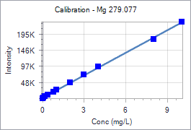
 |  |  |  |  | Cor. Coef:
 | Mg 279.077 |  | Equ: Linear Calculated Intercept |  | 0.999642
 | Sample Id | Corrected Intensity | Entered Conc. | Calculated Cal Unit Conc. | % Residual Error
 | Calib Blank 1 | 0.0 | 0.000 | -0.080 | N/A
 | Calib Std 1 | 2731.1 | 0.100 | 0.037 | -63.16
 | Calib Std 2 | 5984.4 | 0.200 | 0.176 | -11.91
 | Calib Std 3 | 10862.5 | 0.400 | 0.385 | -3.72
 | Calib Std 4 | 20728.0 | 0.800 | 0.808 | 0.96
 | Calib Std 5 | 25989.3 | 1.000 | 1.033 | 3.31
 | Calib Std 6 | 50068.7 | 2.000 | 2.064 | 3.22
 | Calib Std 7 | 73747.5 | 3.000 | 3.079 | 2.63
 | Calib Std 8 | 98223.9 | 4.000 | 4.127 | 3.18
 | Calib Std 9 | 184013.7 | 8.000 | 7.802 | -2.48
 | Calib Std 10 | 236938.4 | 10.000 | 10.069 | 0.69

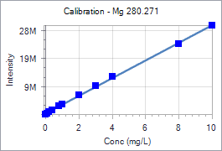
 |  |  |  |  | Cor. Coef:
 | Mg 280.271 |  | Equ: Linear Calculated Intercept |  | 0.999575
 | Sample Id | Corrected Intensity | Entered Conc. | Calculated Cal Unit Conc. | % Residual Error
 | Calib Blank 1 | 0.0 | 0.000 | -0.111 | N/A
 | Calib Std 1 | 380216.7 | 0.100 | 0.009 | -90.50
 | Calib Std 2 | 821053.5 | 0.200 | 0.149 | -25.43
 | Calib Std 3 | 1486952.3 | 0.400 | 0.360 | -9.98
 | Calib Std 4 | 2902705.9 | 0.800 | 0.809 | 1.06
 | Calib Std 5 | 3614155.3 | 1.000 | 1.034 | 3.39
 | Calib Std 6 | 6934268.3 | 2.000 | 2.086 | 4.28
 | Calib Std 7 | 10268367.4 | 3.000 | 3.142 | 4.72
 | Calib Std 8 | 13533003.6 | 4.000 | 4.176 | 4.39
 | Calib Std 9 | 25251064.1 | 8.000 | 7.887 | -1.41
 | Calib Std 10 | 31793263.7 | 10.000 | 9.960 | -0.40

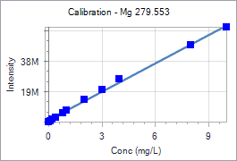
 |  |  |  |  | Cor. Coef:
 | Mg 279.553 |  | Equ: Linear Calculated Intercept |  | 0.998695
 | Sample Id | Corrected Intensity | Entered Conc. | Calculated Cal Unit Conc. | % Residual Error
 | Calib Blank 1 | 0.0 | 0.000 | -0.187 | N/A
 | Calib Std 1 | 804605.6 | 0.100 | -0.058 | -157.93
 | Calib Std 2 | 1757846.0 | 0.200 | 0.095 | -52.25
 | Calib Std 3 | 3144082.5 | 0.400 | 0.319 | -20.35
 | Calib Std 4 | 6108434.9 | 0.800 | 0.796 | -0.54
 | Calib Std 5 | 7688412.5 | 1.000 | 1.050 | 5.00
 | Calib Std 6 | 14654113.7 | 2.000 | 2.171 | 8.56
 | Calib Std 7 | 21382033.4 | 3.000 | 3.254 | 8.47
 | Calib Std 8 | 27926535.7 | 4.000 | 4.307 | 7.68
 | Calib Std 9 | 50378327.7 | 8.000 | 7.921 | -0.99
 | Calib Std 10 | 62253753.8 | 10.000 | 9.832 | -1.68

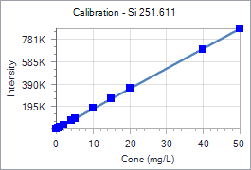
 |  |  |  |  | Cor. Coef:
 | Si 251.611 |  | Equ: Linear Calculated Intercept |  | 0.999961
 | Sample Id | Corrected Intensity | Entered Conc. | Calculated Cal Unit Conc. | % Residual Error
 | Calib Blank 1 | 0.0 | 0.000 | -0.093 | N/A
 | Calib Std 1 | 8926.2 | 0.500 | 0.409 | -18.21
 | Calib Std 2 | 19018.0 | 1.000 | 0.976 | -2.36
 | Calib Std 3 | 36542.3 | 2.000 | 1.962 | -1.91
 | Calib Std 4 | 72183.0 | 4.000 | 3.966 | -0.85
 | Calib Std 5 | 91082.0 | 5.000 | 5.028 | 0.57
 | Calib Std 6 | 181700.8 | 10.000 | 10.124 | 1.24
 | Calib Std 7 | 271006.8 | 15.000 | 15.146 | 0.97
 | Calib Std 8 | 360760.3 | 20.000 | 20.192 | 0.96
 | Calib Std 9 | 707011.8 | 40.000 | 39.662 | -0.85
 | Calib Std 10 | 893145.4 | 50.000 | 50.128 | 0.26

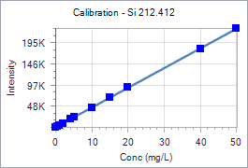
 |  |  |  |  | Cor. Coef:
 | Si 212.412 |  | Equ: Linear Calculated Intercept |  | 0.999945
 | Sample Id | Corrected Intensity | Entered Conc. | Calculated Cal Unit Conc. | % Residual Error
 | Calib Blank 1 | 0.0 | 0.000 | -0.070 | N/A
 | Calib Std 1 | 2352.8 | 0.500 | 0.435 | -12.93
 | Calib Std 2 | 4969.8 | 1.000 | 0.998 | -0.21
 | Calib Std 3 | 9589.2 | 2.000 | 1.991 | -0.46
 | Calib Std 4 | 18872.7 | 4.000 | 3.986 | -0.34
 | Calib Std 5 | 23888.3 | 5.000 | 5.064 | 1.29
 | Calib Std 6 | 47018.2 | 10.000 | 10.036 | 0.36
 | Calib Std 7 | 70204.1 | 15.000 | 15.020 | 0.13
 | Calib Std 8 | 94499.9 | 20.000 | 20.242 | 1.21
 | Calib Std 9 | 184386.4 | 40.000 | 39.563 | -1.09
 | Calib Std 10 | 234042.2 | 50.000 | 50.236 | 0.47

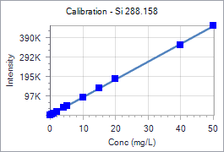
 |  |  |  |  | Cor. Coef:
 | Si 288.158 |  | Equ: Linear Calculated Intercept |  | 0.999910
 | Sample Id | Corrected Intensity | Entered Conc. | Calculated Cal Unit Conc. | % Residual Error
 | Calib Blank 1 | 0.0 | 0.000 | -0.079 | N/A
 | Calib Std 1 | 4637.5 | 0.500 | 0.428 | -14.48
 | Calib Std 2 | 9886.1 | 1.000 | 1.001 | 0.14
 | Calib Std 3 | 19001.9 | 2.000 | 1.998 | -0.10
 | Calib Std 4 | 37380.7 | 4.000 | 4.007 | 0.18
 | Calib Std 5 | 47167.5 | 5.000 | 5.077 | 1.54
 | Calib Std 6 | 92739.1 | 10.000 | 10.059 | 0.59
 | Calib Std 7 | 137480.7 | 15.000 | 14.950 | -0.33
 | Calib Std 8 | 186328.6 | 20.000 | 20.290 | 1.45
 | Calib Std 9 | 361548.6 | 40.000 | 39.446 | -1.39
 | Calib Std 10 | 461042.3 | 50.000 | 50.323 | 0.65

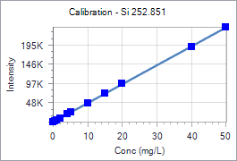
 |  |  |  |  | Cor. Coef:
 | Si 252.851 |  | Equ: Linear Calculated Intercept |  | 0.999947
 | Sample Id | Corrected Intensity | Entered Conc. | Calculated Cal Unit Conc. | % Residual Error
 | Calib Blank 1 | 0.0 | 0.000 | -0.060 | N/A
 | Calib Std 1 | 2408.7 | 0.500 | 0.433 | -13.46
 | Calib Std 2 | 5154.3 | 1.000 | 0.995 | -0.55
 | Calib Std 3 | 9962.6 | 2.000 | 1.978 | -1.08
 | Calib Std 4 | 19777.3 | 4.000 | 3.987 | -0.33
 | Calib Std 5 | 25031.4 | 5.000 | 5.062 | 1.23
 | Calib Std 6 | 49360.7 | 10.000 | 10.040 | 0.40
 | Calib Std 7 | 73693.4 | 15.000 | 15.019 | 0.13
 | Calib Std 8 | 99253.0 | 20.000 | 20.249 | 1.24
 | Calib Std 9 | 193710.1 | 40.000 | 39.576 | -1.06
 | Calib Std 10 | 245738.0 | 50.000 | 50.222 | 0.44

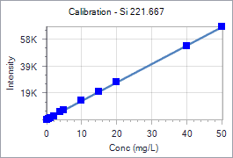
 |  |  |  |  | Cor. Coef:
 | Si 221.667 |  | Equ: Linear Calculated Intercept |  | 0.999940
 | Sample Id | Corrected Intensity | Entered Conc. | Calculated Cal Unit Conc. | % Residual Error
 | Calib Blank 1 | 0.0 | 0.000 | -0.128 | N/A
 | Calib Std 1 | 707.1 | 0.500 | 0.387 | -22.58
 | Calib Std 2 | 1505.3 | 1.000 | 0.969 | -3.13
 | Calib Std 3 | 2860.3 | 2.000 | 1.956 | -2.19
 | Calib Std 4 | 5658.0 | 4.000 | 3.995 | -0.12
 | Calib Std 5 | 7162.1 | 5.000 | 5.091 | 1.82
 | Calib Std 6 | 14033.5 | 10.000 | 10.099 | 0.99
 | Calib Std 7 | 20949.2 | 15.000 | 15.139 | 0.92
 | Calib Std 8 | 27953.4 | 20.000 | 20.243 | 1.21
 | Calib Std 9 | 54470.8 | 40.000 | 39.568 | -1.08
 | Calib Std 10 | 69036.2 | 50.000 | 50.182 | 0.36

